Screen018-Setting ADS
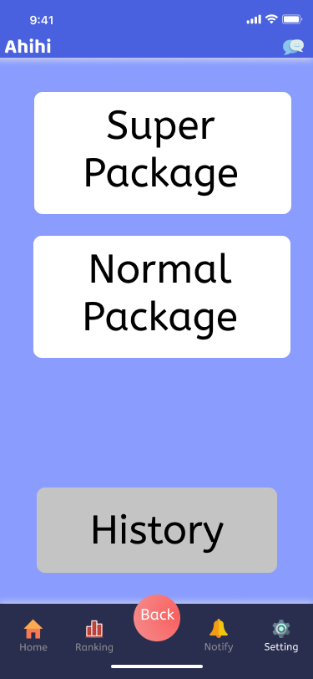
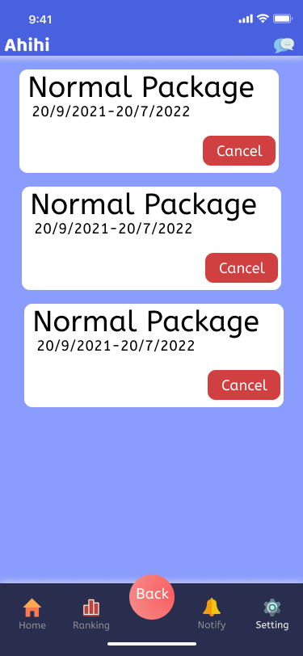
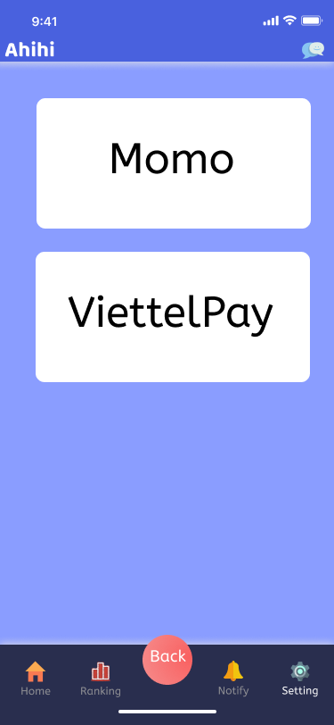
Screen018-Setting ADS

Dialog Design
# | Ahihi Column |  |  | Notes Field |  | Detailed Description |  |  |  |  | For Unit Test
 | Column Name | Column Type | Label | Field Name | Field Type | Editable (Yes/No) | Mandatory (Yes/No) | Default Value | Description | Design Solution | Extracting UT (After migrate data) | Per-Processing UT (After migrate data) | Transforming UT (After migrate data) | Post-Processing UT (After migrate data) | Comment
1 | ADS view
2 | Super Package | Button | bttSuper | bttSuper | Button | No | Yes
3 | Normal Package | Button | bttNormal | bttNormal | Button | No | Yes
4 | History | Button | bttHistory | bttHistory | Button | No | Yes
1 | ADS List
2 | Title | Label | txTitle | txTitle | Label | No | Yes
3 | Time | Label | txTime | txTime | Label | No | Yes
4 | Cancel | Button | bttCancel | bttCancel | Button | No | Yes
1 | Payment
2 | Momo | Button | bttMomo | bttMomo | Button | No | Yes
3 | Viettel Pay | Button | bttViettel | bttViettel | Button | No | Yes

Screen Layout

Screen017-Setting Admin
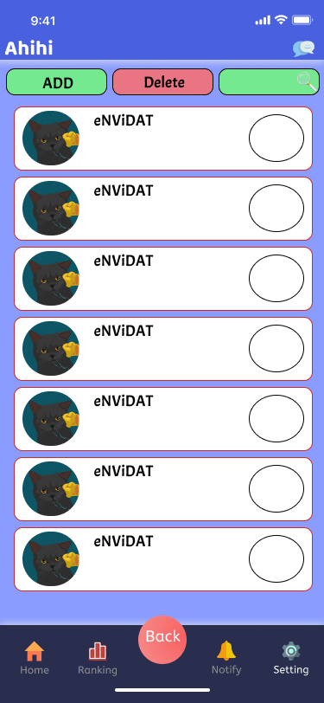
Screen017-Setting Admin

Dialog Design
# | Ahihi Column |  |  | Notes Field |  | Detailed Description |  |  |  |  | For Unit Test
 | Column Name | Column Type | Label | Field Name | Field Type | Editable (Yes/No) | Mandatory (Yes/No) | Default Value | Description | Design Solution | Extracting UT (After migrate data) | Per-Processing UT (After migrate data) | Transforming UT (After migrate data) | Post-Processing UT (After migrate data) | Comment
1 | Setting Member
2 | Add | Button | bttConfirm | bttConfirm | Button | No | Yes
3 | Delete | Button | bttDelete | bttDelete | Button | No | Yes
4 | Search | Button | bttSearch | bttSearch | Button | No | Yes
5 | Avartar | Image | imAvartar | imAvartar | Image | No | Yes
6 | Name | Label | txName | txName | Label | No | Yes
7 | Is check | Checkbox | cbCheck | cbCheck | Checkbox | No | Yes

Screen Layout

Screen016-Setting Member

Screen016-Setting Member

Dialog Design
# | Ahihi Column |  |  | Notes Field |  | Detailed Description |  |  |  |  | For Unit Test
 | Column Name | Column Type | Label | Field Name | Field Type | Editable (Yes/No) | Mandatory (Yes/No) | Default Value | Description | Design Solution | Extracting UT (After migrate data) | Per-Processing UT (After migrate data) | Transforming UT (After migrate data) | Post-Processing UT (After migrate data) | Comment
1 | Setting Member
2 | Add | Button | bttConfirm | bttConfirm | Button | No | Yes
4 | Delete | Button | bttDelete | bttDelete | Button | No | Yes
 | Search | Button | bttSearch | bttSearch | Button | No | Yes
5 | Avartar | Image | imAvartar | imAvartar | Image | No | Yes
6 | Name | Label | txName | txName | Label | No | Yes
7 | Is check | Checkbox | cbCheck | cbCheck | Checkbox | No | Yes
Screen Layout

Screen015-Services
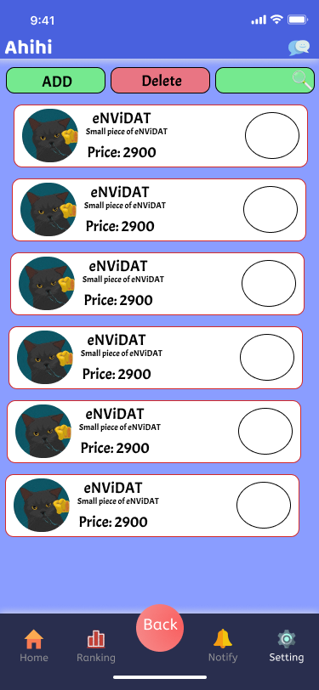
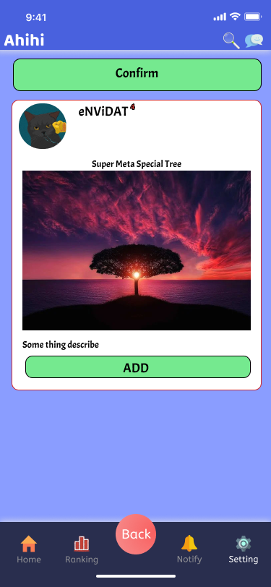
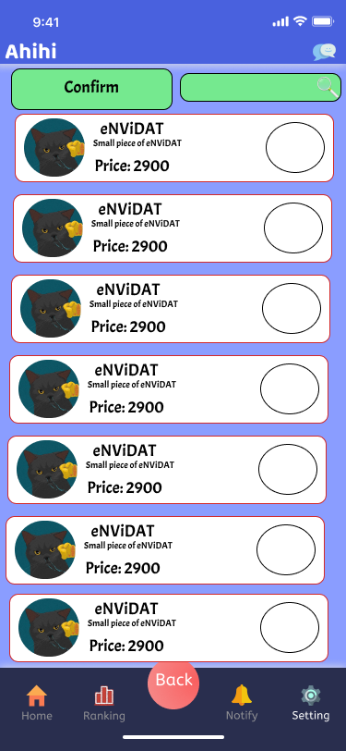
Screen015-Services

Dialog Design
# | Ahihi Column |  |  | Notes Field |  | Detailed Description |  |  |  |  | For Unit Test
 | Column Name | Column Type | Label | Field Name | Field Type | Editable (Yes/No) | Mandatory (Yes/No) | Default Value | Description | Design Solution | Extracting UT (After migrate data) | Per-Processing UT (After migrate data) | Transforming UT (After migrate data) | Post-Processing UT (After migrate data) | Comment
1 | Services List
2 | Avartar | Image | imAvartar | imAvartar | Image | No | Yes
3 | Name | Label | txName | txName | Label | No | Yes
4 | Content | Label | txContent | txContent | Label | No | Yes
5 | Price | Label | txPrice | txPrice | Label | No | Yes
6 | Is check | Label | cbCheck | cbCheck | Label | No | Yes
7 | Confirm | Button | bttConfirm | bttConfirm | Button | No | Yes
8 | Search | Textbox (Single line) | tbSearch | tbSearch | Textbox (Single line) | Yes | Yes
9 | Service Edit
10 | Confirm | Button | bttConfirm | bttConfirm | Button | No | Yes
11 | Avartar | Image | imAvartar | imAvartar | Image | No | Yes
12 | Name | Label | txName | txName | Label | No | Yes
13 | ServicesName | Textbox (Single line) | tbServices | tbServices | Textbox (Single line) | No | Yes
14 | Image | Image | imImage | imImage | Image | No | Yes
15 | Content | Textbox (Single line) | tbContent | tbContent | Label | No | Yes
16 | Add | Button | bttConfirm | bttConfirm | Button | No | Yes
17 | Service View
18 | Add | Button | bttConfirm | bttConfirm | Button | No | Yes
19 | Delete | Button | bttDelete | bttDelete | Button | No | Yes
20 | Search | Button | bttSearch | bttSearch | Button | No | Yes
21 | Avartar | Image | imAvartar | imAvartar | Image | No | Yes
22 | Name | Label | txName | txName | Label | No | Yes
23 | ServicesName | Textbox (Single line) | tbServices | tbServices | Textbox (Single line) | No | Yes
24 | Content | Textbox (Single line) | tbContent | tbContent | Label | No | Yes
25 | Price | Label | txPrice | txPrice | Label | No | Yes
26 | Is check | Checkbox | cbCheck | cbCheck | Checkbox | No | Yes

Screen Layout

Screen014-Profile Page

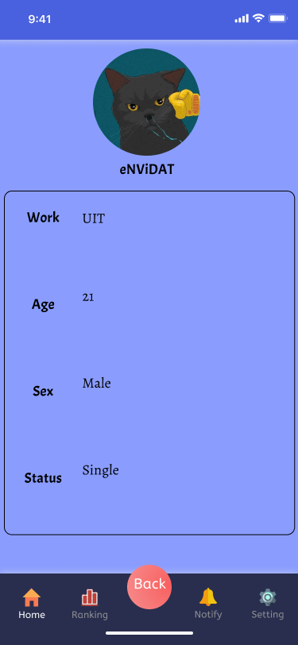
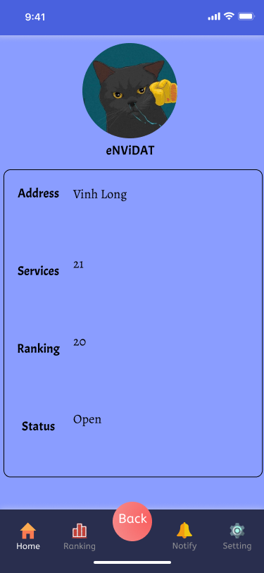
Screen014-Profile Page

Dialog Design
# | Ahihi Column |  |  | Notes Field |  | Detailed Description |  |  |  |  | For Unit Test
 | Column Name | Column Type | Label | Field Name | Field Type | Editable (Yes/No) | Mandatory (Yes/No) | Default Value | Description | Design Solution | Extracting UT (After migrate data) | Per-Processing UT (After migrate data) | Transforming UT (After migrate data) | Post-Processing UT (After migrate data) | Comment
1 | User
2 | Avartar | Image | imAvartar | imAvartar | Image | Yes | Yes
3 | Name | Label | txName | txName | Label | Yes | Yes
4 | Work | Label | txWork | txWork | Label | No | Yes
5 | Work | Textbox (Single line) | tbWork | tbWork | Textbox (Single line) | Yes | Yes
6 | Age | Label | txAge | txAge | Label | No | Yes
7 | Age | Textbox (Single line) | tbAge | tbAge | Textbox (Single line) | Yes | Yes
8 | Sex | Label | txSex | txSex | Label | No | Yes
9 | Sex | Textbox (Single line) | tbSex | tbSex | Textbox (Single line) | Yes | Yes
10 | Status | Label | txStatus | txStatus | Label | No | Yes
11 | Status | Textbox (Single line) | tbStatus | tbStatus | Textbox (Single line) | Yes | Yes
12 | User
13 | Avartar | Image | imAvartar | imAvartar | Image | Yes | Yes
14 | Name | Label | txName | txName | Label | Yes | Yes
15 | Address | Label | txAddress | txAddress | Label | No | Yes
16 | Address | Textbox (Single line) | tbAddress | tbAddress | Textbox (Single line) | Yes | Yes
17 | Services | Label | txServices | txServices | Label | No | Yes
18 | Services | Textbox (Single line) | tbServices | tbServices | Textbox (Single line) | Yes | Yes
19 | Ranking | Label | txRanking | txRanking | Label | No | Yes
20 | Ranking | Label | tbRanking | tbRanking | Label | No | Yes
21 | Status | Label | txStatus | txStatus | Label | No | Yes
22 | Status | Textbox (Single line) | tbStatus | tbStatus | Textbox (Single line) | Yes | Yes
23 | User
24 | Avartar | Image | imAvartar | imAvartar | Image | Yes | Yes
25 | Name | Label | txName | txName | Label | Yes | Yes
26 | Address | Label | txAddress | txAddress | Label | No | Yes
27 | Address | Textbox (Single line) | tbAddress | tbAddress | Textbox (Single line) | Yes | Yes
28 | Status | Label | txStatus | txStatus | Label | No | Yes
29 | Status | Textbox (Single line) | tbStatus | tbStatus | Textbox (Single line) | Yes | Yes

Screen Layout

Screen013-Security User
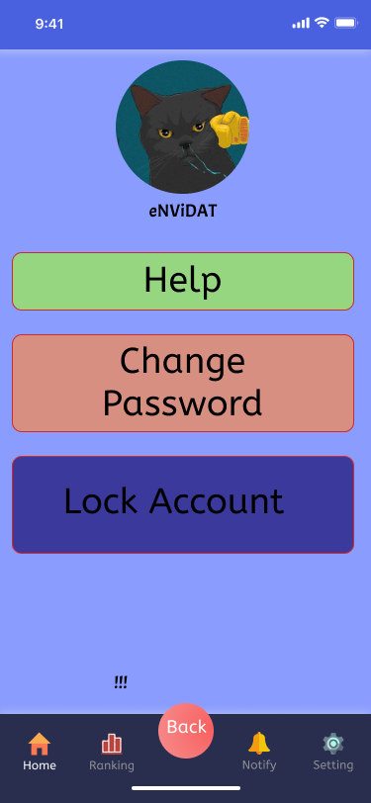
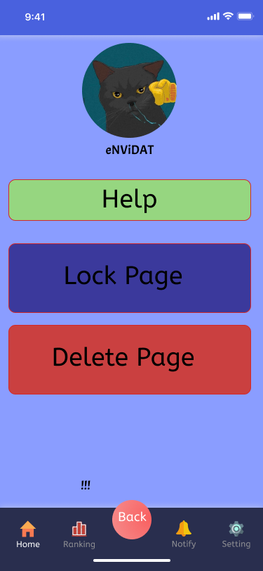
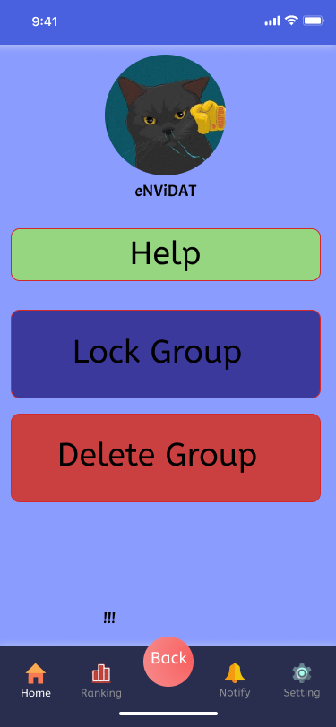
Screen013-Security User

Dialog Design
# | Ahihi Column |  |  | Notes Field |  | Detailed Description |  |  |  |  | For Unit Test
 | Column Name | Column Type | Label | Field Name | Field Type | Editable (Yes/No) | Mandatory (Yes/No) | Default Value | Description | Design Solution | Extracting UT (After migrate data) | Per-Processing UT (After migrate data) | Transforming UT (After migrate data) | Post-Processing UT (After migrate data) | Comment
1 | Account List
2 | Help | Button | bttHelp | bttHelp | Button | No | Yes
3 | Change | Button | bttChange | bttChange | Button | No | Yes
4 | Lock Account | Button | bttLock | bttLock | Button | No | Yes
6 | Page List
7 | Help | Label | bttHelp | bttHelp | Label | No | Yes
8 | Lock Page | Label | bttLockPage | bttLockPage | Label | No | Yes
9 | Delete Page | Label | bttDeletePage | bttDeletePage | Label | No | Yes
6 | Group List
7 | Help | Label | bttHelp | bttHelp | Label | No | Yes
8 | Lock Group | Label | bttLockGroup | bttLockPage | Label | No | Yes
9 | Delete Group | Label | bttDeleteGroup | bttDeletePage | Label | No | Yes

Screen Layout

Screen012-Switch PageGroup
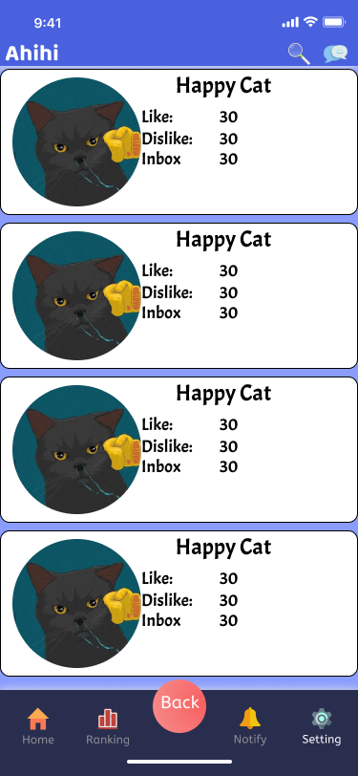
Screen012-Switch PageGroup

Dialog Design
# | Ahihi Column |  |  | Notes Field |  | Detailed Description |  |  |  |  | For Unit Test
 | Column Name | Column Type | Label | Field Name | Field Type | Editable (Yes/No) | Mandatory (Yes/No) | Default Value | Description | Design Solution | Extracting UT (After migrate data) | Per-Processing UT (After migrate data) | Transforming UT (After migrate data) | Post-Processing UT (After migrate data) | Comment
1 | Page List
2 | Avartar | Label | txAvartar | txAvartar | Label | No | Yes
3 | Member | Label | txMember | txMember | Label | No | Yes
4 | Post | Label | txPost | txPost | Label | No | Yes
5 | Inbox | Label | txInbox | txInbox | Label | No | Yes
6 | Page List
7 | Avartar | Label | txAvartar | txAvartar | Label | No | Yes
8 | Name | Label | txName | txName | Label | No | Yes
9 | Like | Label | txLike | txLike | Label | No | Yes
10 | Dislike | Label | txDislike | txDislike | Label | No | Yes
11 | Inbox | Label | txInbox | txInbox | Label | No | Yes

Screen Layout

Screen011-Group User
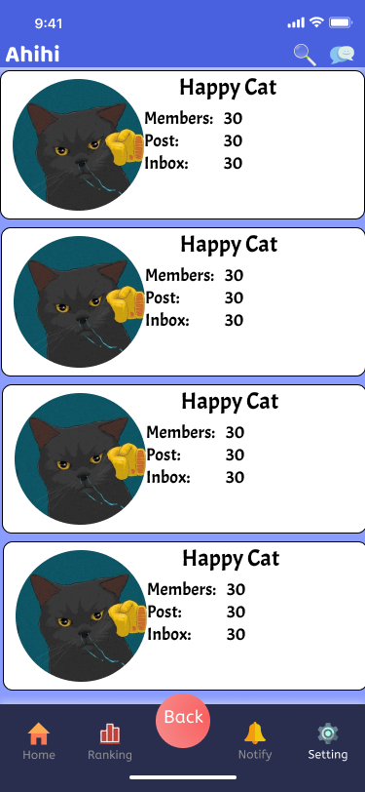
Screen03-Sales Person Dialog

Dialog Design
# | Ahihi Column |  |  | Notes Field |  | Detailed Description |  |  |  |  | For Unit Test
 | Column Name | Column Type | Label | Field Name | Field Type | Editable (Yes/No) | Mandatory (Yes/No) | Default Value | Description | Design Solution | Extracting UT (After migrate data) | Per-Processing UT (After migrate data) | Transforming UT (After migrate data) | Post-Processing UT (After migrate data) | Comment
1 | Page List
2 | Avartar | Label | txAvartar | txAvartar | Label | No | Yes
3 | Member | Label | txMember | txMember | Label | No | Yes
4 | Post | Label | txPost | txPost | Label | No | Yes
6 | Inbox | Label | txInbox | txInbox | Label | No | Yes
7

Screen Layout

Screen09-Profile
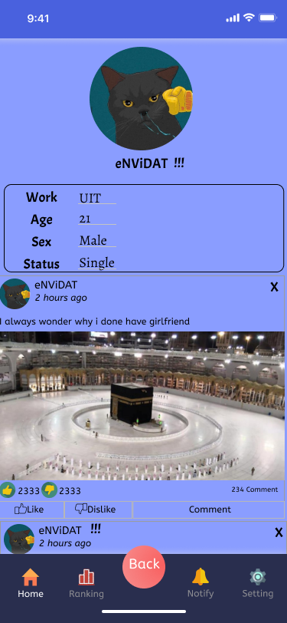
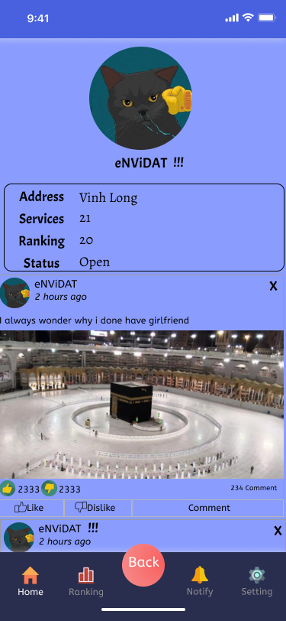
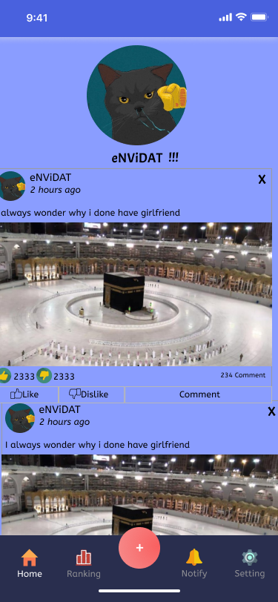
Screen09-Profile

Dialog Design
# | Ahihi Column |  |  | Notes Field |  | Detailed Description |  |  |  |  | For Unit Test
 | Column Name | Column Type | Label | Field Name | Field Type | Editable (Yes/No) | Mandatory (Yes/No) | Default Value | Description | Design Solution | Extracting UT (After migrate data) | Per-Processing UT (After migrate data) | Transforming UT (After migrate data) | Post-Processing UT (After migrate data) | Comment
1 | Universal Funtion
2 | Search | Button | bttSearch | bttSearch | Button | No | Yes
3 | Chat | Button | bttChat | bttChat | Button | No | Yes
4 | Commomon Profile
5 | Avartar | Image | imAvartar | imAvartar | Image | No | Yes
6 | Name | Label | txName | txName | Label | No | Yes
7 | Report | Button | bttReport | bttReport | Button | No | Yes
8 | User
9 | Work | Label | txWork | txWork | Label | No | Yes
10 | Work | Textbox (Multiple lines) | tbWork | tbWork | Textbox (Multiple lines) | Yes | Yes
11 | Age | Label | txAge | txAge | Label | No | Yes
12 | Age | Textbox (Multiple lines) | tbAge | tbAge | Textbox (Multiple lines) | Yes | Yes
13 | Sex | Label | txSex | txSex | Label | No | Yes
14 | Sex | Textbox (Multiple lines) | tbSex | tbSex | Textbox (Multiple lines) | Yes | Yes
15 | Status | Label | txStatys | txStatys | Label | No | Yes
16 | Status | Textbox (Multiple lines) | tbStatus | tbStatus | Textbox (Multiple lines) | Yes | Yes
17 | Page
18 | Address | Label | txAddress | txAddress | Label | No | Yes
19 | Address | Textbox (Multiple lines) | tbAddress | tbAddress | Textbox (Multiple lines) | Yes | Yes
20 | Services | Label | txServices | txServices | Label | No | Yes
21 | Services | Textbox (Multiple lines) | tbAddress | tbAddress | Textbox (Multiple lines) | Yes
22 | Ranking | Label | txRanking | txRanking | Label | No | Yes
23 | Ranking | Textbox (Multiple lines) | tbRanking | tbRanking | Textbox (Multiple lines) | Yes | Yes
24 | Status | Textbox (Multiple lines) | txStatys | txStatys | Textbox (Multiple lines) | No | Yes
25 | Status | Textbox (Multiple lines) | tbStatus | tbStatus | Textbox (Multiple lines) | Yes | Yes
26 | News
27 | Avartar | Image | imAvartar | imAvartar | Image | No | Yes
28 | Name | Label | txName | txName | Label | No | Yes
29 | Time | Label | txTime | txTime | Label | No | Yes
30 | Content | Label | txContent | txContent | Label | No | Yes
31 | Image | Image | imImageContent | imImageContent | Image | No | Yes
32 | Like | Label | txLike | txLike | Label | No | Yes
33 | Like | Textbox (Single line) | tbLike | tbLike | Textbox (Single line) | No | Yes
34 | Dislike | Label | txDislike | txDislike | Label | No | Yes
35 | Dislike | Textbox (Single line) | tbDislike | tbDislike | Textbox (Single line) | No | Yes
36 | Comment Count | Label | txCommentCount | txCommentCount | Label | No | Yes
37 | Like | Button | bttLike | bttLike | Button | No | Yes
38 | Dislike | Button | bttDislike | bttDislike | Button | No | Yes
39 | Comment | Button | bttComment | bttComment | Button | No | Yes
40 | Bottom Menu
41 | Home | Button | bttHome | bttHome | Button | No | Yes
42 | Ranking | Button | bttRanking | bttRanking | Button | No | Yes
43 | Back | Button | bttBack | bttBack | Button | No | Yes
44 | Notify | Button | bttNotify | bttNotify | Button | No | Yes
45 | Setting | Button | bttSettign | bttSettign | Button | No | Yes

Screen Layout

Screen08-Chat
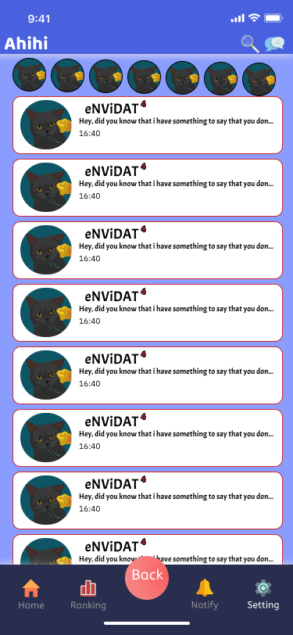
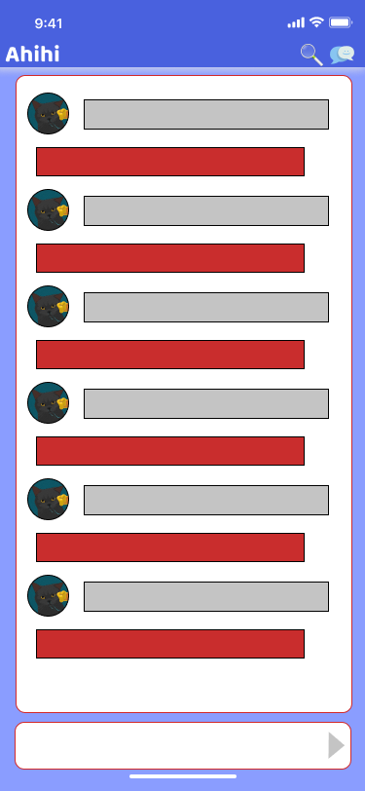
Screen08-Chat

Dialog Design
# | Ahihi Column |  |  | Notes Field |  | Detailed Description |  |  |  |  | For Unit Test
 | Column Name | Column Type | Label | Field Name | Field Type | Editable (Yes/No) | Mandatory (Yes/No) | Default Value | Description | Design Solution | Extracting UT (After migrate data) | Per-Processing UT (After migrate data) | Transforming UT (After migrate data) | Post-Processing UT (After migrate data) | Comment
1 | Universal Funtion
2 | Search | Button | bttSearch | bttSearch | Button | No | Yes
3 | Chat | Button | bttChat | bttChat | Button | No | Yes
4 | Friend List
5 | Avartar | Image | imAvartar | imAvartar | Image | No | Yes
7 | Chat List
8 | Avartar | Image | imAvartar | imAvartar | Image | No | Yes
9 | Name | Label | txName | txName | Label | No | Yes
10 | Time | Label | txTime | txTime | Label | No | Yes
11 | Message Count | Label | txMSGCount | txMSGCount | Label | No | Yes
12 | Chat Detail
13 | Avartar | Image | imAvartar | imAvartar | Image | No | Yes
14 | Message | Label | tbMessage | tbMessage | Label | No | Yes
16 | Chat box | Textbox (Single line) | tbChatbox | tbChatbox | Textbox (Single line) | Yes | Yes
21 | Bottom Menu
22 | Home | Button | bttHome | bttHome | Button | No | Yes
23 | Ranking | Button | bttRanking | bttRanking | Button | No | Yes
24 | Back | Button | bttBack | bttBack | Button | No | Yes
25 | Notify | Button | bttNotify | bttNotify | Button | No | Yes
26 | Setting | Button | bttSettign | bttSettign | Button | No | Yes

Screen Layout

Screen07-Search
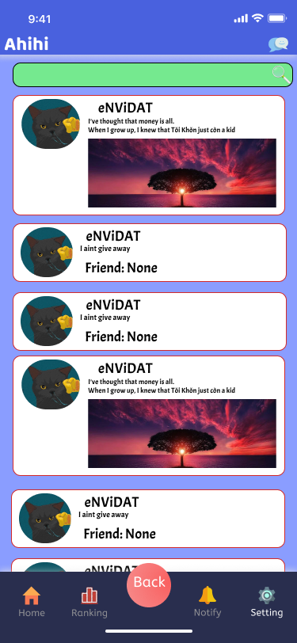
Screen07-Search

Dialog Design
# | Ahihi Column |  |  | Notes Field |  | Detailed Description |  |  |  |  | For Unit Test
 | Column Name | Column Type | Label | Field Name | Field Type | Editable (Yes/No) | Mandatory (Yes/No) | Default Value | Description | Design Solution | Extracting UT (After migrate data) | Per-Processing UT (After migrate data) | Transforming UT (After migrate data) | Post-Processing UT (After migrate data) | Comment
1 | Search
2 | Search Box | Textbox (Single line) | tbSearch | tbSearch | Textbox (Single line) | Yes | Yes
3 | User
4 | Avartar | Image | imAvartar | imAvartar | Image | No | Yes
5 | Name | Label | txName | txName | Label | No | Yes
6 | Status | Label | txStatus | txStatus | Label | No | Yes
7 | Post
8 | Avartar | Image | imAvartar | imAvartar | Image | No | Yes
9 | Name | Label | txName | txName | Label | No | Yes
10 | Content | Label | txContent | txContent | Label | No | Yes
11 | Image | Image | imContent | imContent | Image | No | Yes
12 | Bottom Menu
13 | Home | Button | bttHome | bttHome | Button | No | Yes
14 | Ranking | Button | bttRanking | bttRanking | Button | No | Yes
15 | Back | Button | bttBack | bttBack | Button | No | Yes
16 | Notify | Button | bttNotify | bttNotify | Button | No | Yes
17 | Setting | Button | bttSettign | bttSettign | Button | No | Yes

Screen Layout

Screen06-Notify
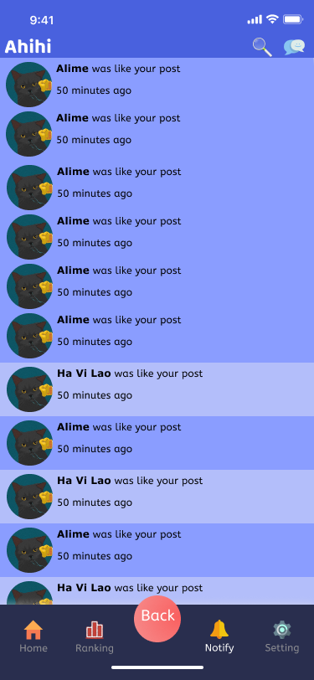
Screen03-Sales Person Dialog

Dialog Design
# | Ahihi Column |  |  | Notes Field |  | Detailed Description |  |  |  |  | For Unit Test
 | Column Name | Column Type | Label | Field Name | Field Type | Editable (Yes/No) | Mandatory (Yes/No) | Default Value | Description | Design Solution | Extracting UT (After migrate data) | Per-Processing UT (After migrate data) | Transforming UT (After migrate data) | Post-Processing UT (After migrate data) | Comment
1 | Universal Funtion
2 | Search | Button | bttSearch | bttSearch | Button | No | Yes
3 | Chat | Button | bttChat | bttChat | Button | No | Yes
4 | News
5 | Avartar | Image | imAvartar | imAvartar | Image | No | Yes
6 | Name | Label | txName | txName | Label | No | Yes
8 | Time | Label | txTime | txTime | Label | No | Yes
9 | Content | Label | txContent | txContent | Label | No | Yes
10 | Bottom Menu
11 | Home | Button | bttHome | bttHome | Button | No | Yes
12 | Ranking | Button | bttRanking | bttRanking | Button | No | Yes
13 | Back | Button | bttBack | bttBack | Button | No | Yes
14 | Notify | Button | bttNotify | bttNotify | Button | No | Yes
15 | Setting | Button | bttSettign | bttSettign | Button | No | Yes

Screen Layout

Screen05-Ranking
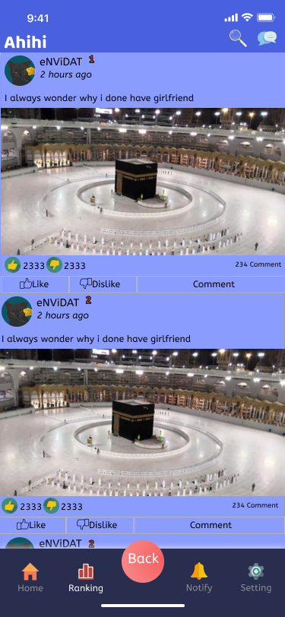
Screen05-Ranking

Dialog Design
# | Ahihi Column |  |  | Notes Field |  | Detailed Description |  |  |  |  | For Unit Test
 | Column Name | Column Type | Label | Field Name | Field Type | Editable (Yes/No) | Mandatory (Yes/No) | Default Value | Description | Design Solution | Extracting UT (After migrate data) | Per-Processing UT (After migrate data) | Transforming UT (After migrate data) | Post-Processing UT (After migrate data) | Comment
1 | Universal Funtion
2 | Search | Button | bttSearch | bttSearch | Button | No | Yes
3 | Chat | Button | bttChat | bttChat | Button | No | Yes
4 | News
5 | Avartar | Image | imAvartar | imAvartar | Image | No | Yes
6 | Name | Label | txName | txName | Label | No | Yes
7 | Ranking | Label | txRank | txRank | Label | No | Yes
8 | Time | Label | txTime | txTime | Label | No | Yes
9 | Content | Label | txContent | txContent | Label | No | Yes
10 | Image | Image | imImageContent | imImageContent | Image | No | Yes
11 | Like | Label | txLike | txLike | Label | No | Yes
12 | Like | Textbox (Single line) | tbLike | tbLike | Textbox (Single line) | No | Yes
13 | Dislike | Label | txDislike | txDislike | Label | No | Yes
14 | Dislike | Textbox (Single line) | tbDislike | tbDislike | Textbox (Single line) | No | Yes
15 | Comment Count | Label | txCommentCount | txCommentCount | Label | No | Yes
16 | Like | Button | bttLike | bttLike | Button | No | Yes
17 | Dislike | Button | bttDislike | bttDislike | Button | No | Yes
18 | Comment | Button | bttComment | bttComment | Button | No | Yes
18 | Bottom Menu
18 | Home | Button | bttHome | bttHome | Button | No | Yes
18 | Ranking | Button | bttRanking | bttRanking | Button | No | Yes
18 | Back | Button | bttBack | bttBack | Button | No | Yes
18 | Notify | Button | bttNotify | bttNotify | Button | No | Yes
18 | Setting | Button | bttSettign | bttSettign | Button | No | Yes

Screen Layout

Screen04-Home
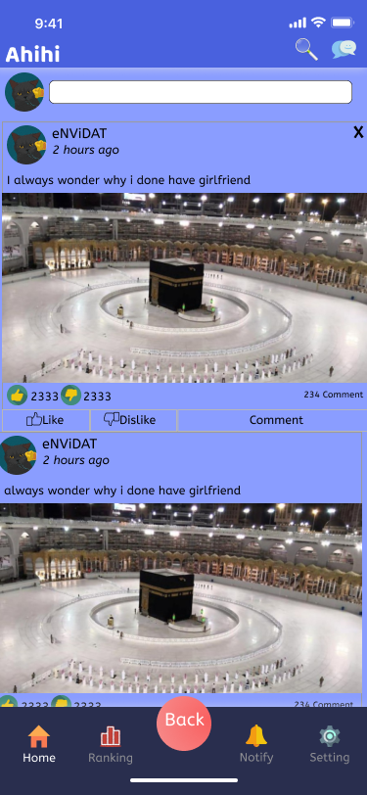
Screen04-Home

Dialog Design
# | Ahihi Column |  |  | Notes Field |  | Detailed Description |  |  |  |  | For Unit Test
 | Column Name | Column Type | Label | Field Name | Field Type | Editable (Yes/No) | Mandatory (Yes/No) | Default Value | Description | Design Solution | Extracting UT (After migrate data) | Per-Processing UT (After migrate data) | Transforming UT (After migrate data) | Post-Processing UT (After migrate data) | Comment
1 | Universal Funtion
2 | Search | Button | bttSearch | bttSearch | Button | No | Yes
3 | Chat | Button | bttChat | bttChat | Button | No | Yes
4 | Post
5 | Avartar | Image | imAvartar | imAvartar | Image | No | Yes
6 | Post box | Textbox (Multiple lines) | tbPost | tbPost | Textbox (Multiple lines) | Yes | Yes
7 | News
8 | Avartar | Image | imAvartar | imAvartar | Image | No | Yes
9 | Name | Label | txName | txName | Label | No | Yes
10 | Time | Label | txTime | txTime | Label | No | Yes
11 | Content | Label | txContent | txContent | Label | No | Yes
12 | Image | Image | imImageContent | imImageContent | Image | No | Yes
13 | Like | Label | txLike | txLike | Label | No | Yes
14 | Like | Textbox (Single line) | tbLike | tbLike | Textbox (Single line) | No | Yes
15 | Dislike | Label | txDislike | txDislike | Label | No | Yes
16 | Dislike | Textbox (Single line) | tbDislike | tbDislike | Textbox (Single line) | No | Yes
17 | Comment Count | Label | txCommentCount | txCommentCount | Label | No | Yes
18 | Like | Button | bttLike | bttLike | Button | No | Yes
19 | Dislike | Button | bttDislike | bttDislike | Button | No | Yes
20 | Comment | Button | bttComment | bttComment | Button | No | Yes
21 | Bottom Menu
22 | Home | Button | bttHome | bttHome | Button | No | Yes
23 | Ranking | Button | bttRanking | bttRanking | Button | No | Yes
24 | Back | Button | bttBack | bttBack | Button | No | Yes
25 | Notify | Button | bttNotify | bttNotify | Button | No | Yes
26 | Setting | Button | bttSettign | bttSettign | Button | No | Yes

Screen Layout

Screen03-Register
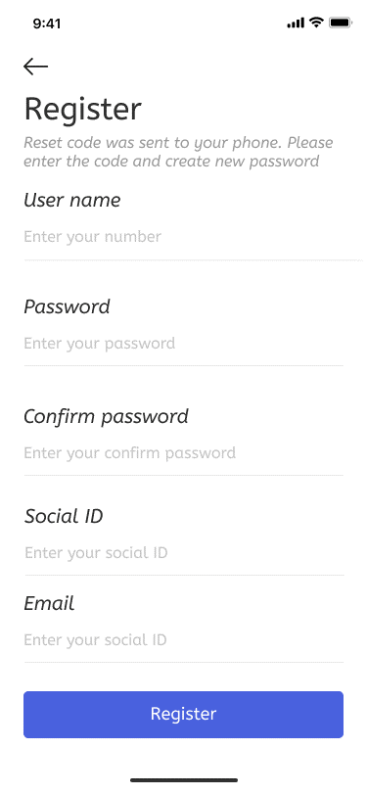
Screen03-Register

Dialog Design
# | Ahihi Column |  |  | Notes Field |  | Detailed Description |  |  |  |  | For Unit Test
 | Column Name | Column Type | Label | Field Name | Field Type | Editable (Yes/No) | Mandatory (Yes/No) | Default Value | Description | Design Solution | Extracting UT (After migrate data) | Per-Processing UT (After migrate data) | Transforming UT (After migrate data) | Post-Processing UT (After migrate data) | Comment
2 | Title | Label | title | title | Label | No | Yes
3 | Username | Label | txUsername | txUsername | Label | No | Yes
4 | Username | Textbox (Single line) | tbUsername | tbUsername | Textbox (Single line) | Yes | Yes
5 | Password | Label | txPassword | txPassword | Label | No | Yes
6 | Password | Textbox (Single line) | tbPassword | tbPassword | Textbox (Single line) | Yes | Yes
7 | Confirm Password | Label | txConfirm Password | txConfirm Password | Label | No | Yes
8 | Confirm Password | Textbox (Single line) | tbConfirm Password | tbConfirm Password | Textbox (Single line) | Yes | Yes
9 | Social ID | Label | txSocial ID | txSocial ID | Label | No | Yes
10 | Social ID | Textbox (Single line) | tbSocial ID | tbSocial ID | Textbox (Single line) | Yes | Yes
11 | Email | Label | txEmail | txEmail | Label | No | Yes
12 | Email | Textbox (Single line) | tbEmail | tbEmail | Textbox (Single line) | Yes | Yes
13 | Register | Button | bttRegister | bttRegister | Button | No | Yes

Screen Layout

Screen02-Forgot Password
Screen02-Forgot Password

Dialog Design
# | Ahihi Column |  |  | Notes Field |  | Detailed Description |  |  |  |  | For Unit Test
 | Column Name | Column Type | Label | Field Name | Field Type | Editable (Yes/No) | Mandatory (Yes/No) | Default Value | Description | Design Solution | Extracting UT (After migrate data) | Per-Processing UT (After migrate data) | Transforming UT (After migrate data) | Post-Processing UT (After migrate data) | Comment
Forgot Pasword
1 | Title | Label | title | title | Label | No | Yes |  | Title of Forgot Password
2 | Username | Label | txUsername | txUsername | Label | No | Yes |  | Username Title
3 | Username | Textbox (Single line) | tbUsername | tbUsername | Textbox (Single line) | Yes | Yes |  | Username textblock
4 | Send Request | Button | bttSend | bttSend | Button | No | Yes |  | Send Request Button
Reset Pasword
5 | Back | Button | bttBack | bttBack | Button | No | No
6 | Title | Label | title | title | Label | No | Yes
7 | New Password | Label | txNewPassword | txNewPassword | Label | No | Yes
8 | New Password | Textbox (Single line) | tbNewPassword | bttNewPassword | Button | Yes | Yes
9 | Confirm Password | Label | txConfirmPassword | txConfirmPassword | Label | No | Yes
10 | Confirm Password | Textbox (Single line) | tbConfirmPassword | bttConfirmPassword | Button | Yes | Yes
11 | Change Password | Button | bttChangePassword | bttChangePassword | Button | No | Yes

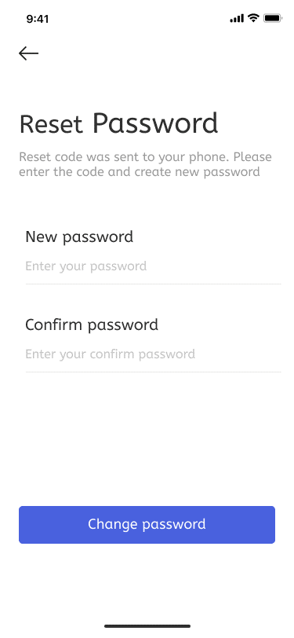
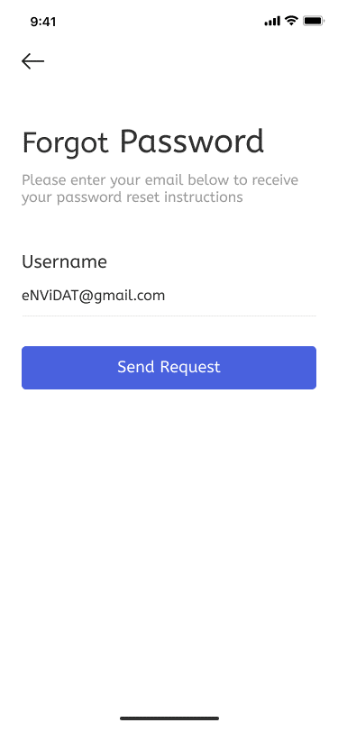
Screen Layout

Screen01-Login Screen
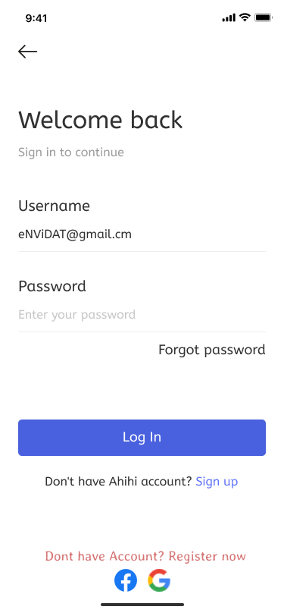
Screen01-Login Screen

Dialog Design
# | Ahihi Column |  |  | Notes Field |  | Detailed Description |  |  |  |  | For Unit Test
 | Column Name | Column Type | Label | Field Name | Field Type | Editable (Yes/No) | Mandatory (Yes/No) | Default Value | Description | Design Solution | Extracting UT (After migrate data) | Per-Processing UT (After migrate data) | Transforming UT (After migrate data) | Post-Processing UT (After migrate data) | Comment
1 | Title | Label | title | title | Label | No | Yes |  | Title of Login screen
2 | User Name | Label | txUsername | txUsername | Label | No | Yes |  | Username Title
3 | User Name | Textbox (Single line) | tbUsername | tbUsername | Textbox (Single line) | Yes | Yes |  | Username textblock
4 | Password | Label | txPassword | txPassword | Label | No | Yes |  | Password Title
5 | Password | Textbox (Single line) | tbPassword | tbPassword | Textbox (Single line) | Yes | Yes |  | Password textblock
6 | Forgot Password | Label | bttForgotpassword | bttForgotpassword | Label | No | Yes |  | Forgot Password Title
7 | Sign Up | Button | bttSignup | bttSignup | Button | No | Yes |  | Sign Up button
8 | Register | Button | bttRegister | bttRegister | Button | No | Yes |  | Register button
9 | Google | Button | bttGoogle | bttGoogle | Button | No | Yes |  | Google button
10 | Facebook | Button | bttFacebook | bttFacebook | Button | No | Yes |  | Facebook button

Screen Layout

Main Screen
Main Screen

Left Menu
# | Link Label | Link to | Description
1 | Universal Function
2 | Search | Link to "Search" view
3 | Chat | Link to "Chat" view
4 | Bottom menu
5 | Home | Link to "Home" view | Default page
6 | Ranking | Link to "Ranking" view
7 | Notify | Link to "Notify" view
8 | Setting | Link to "Setting" screen
9 | Back | Link to previous view

Screen Layout
Universal Function

Attracted Funtion

View

Bottom menu

Login Screen
Login Screen Screen

Login Form
# | Link Label | Link to | Description
1 | Login | Link to "Main" screen
2 | Forgot Password | Link to "Forgot Password" screen
3 | Sign in options (APIs)
4 | Sign up | Link to "Register" screen
5 | By Google | Link to "Google Login" screen
6 | By Facebook | Link to "Facebook Login" screen

Screen Layout

Avatar

Username

Password

Forgot password
Login

Register
Sign in options

